Sheet1
Shielding | FTFP
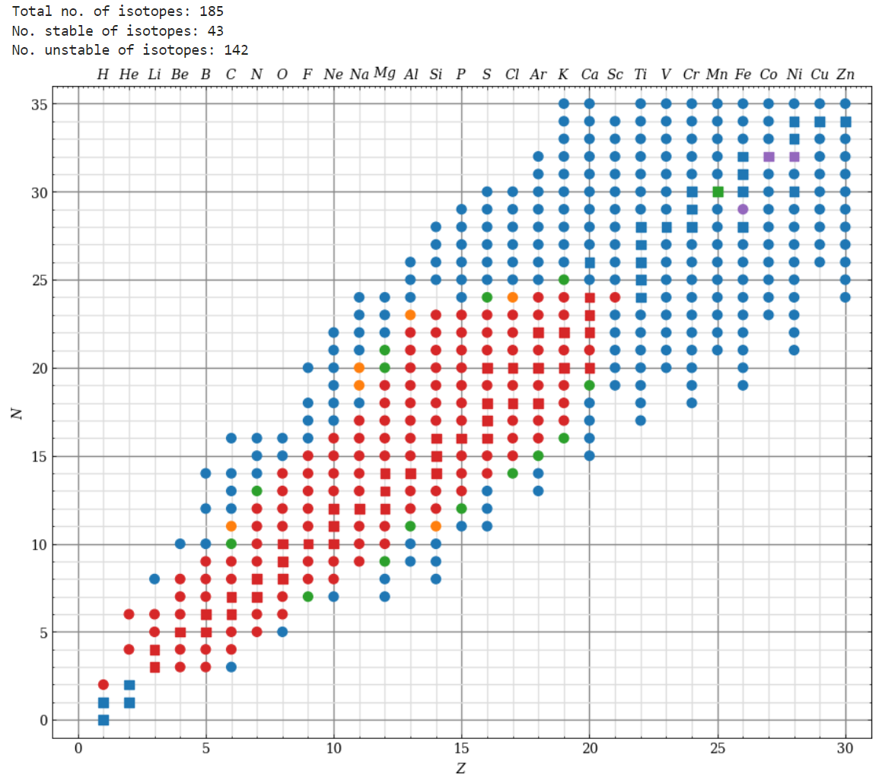
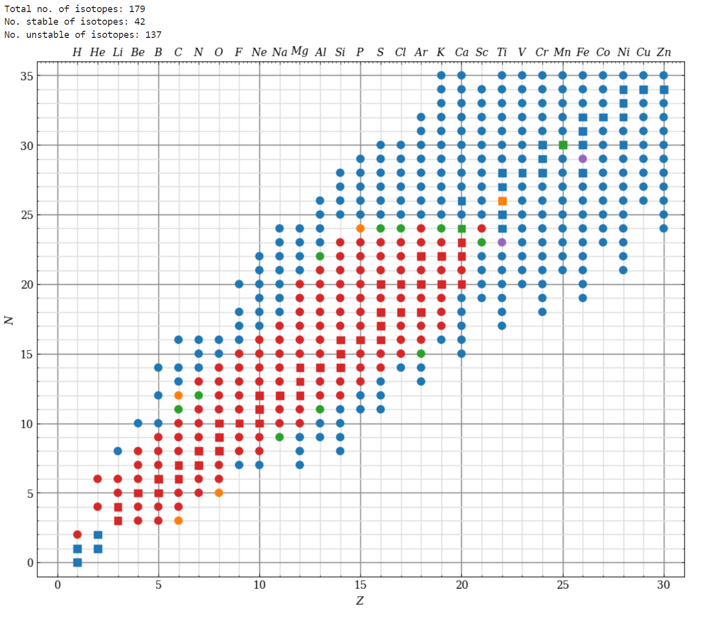

Total average production yield per muon: 0.01926 | Total average production yield per muon: 0.00483
Unstable average production yield per muon: 0.00762 | Unstable average production yield per muon: 0.00025
Stable average production yield per muon: 0.05564 | Stable average production yield per muon: 0.01904
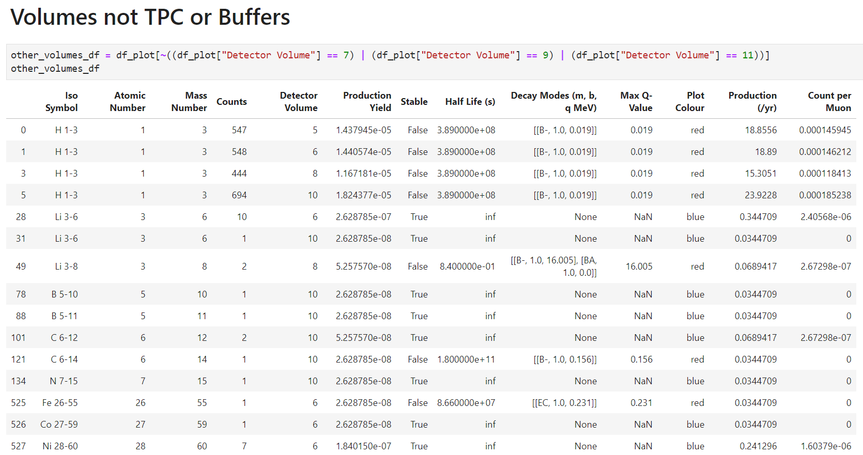
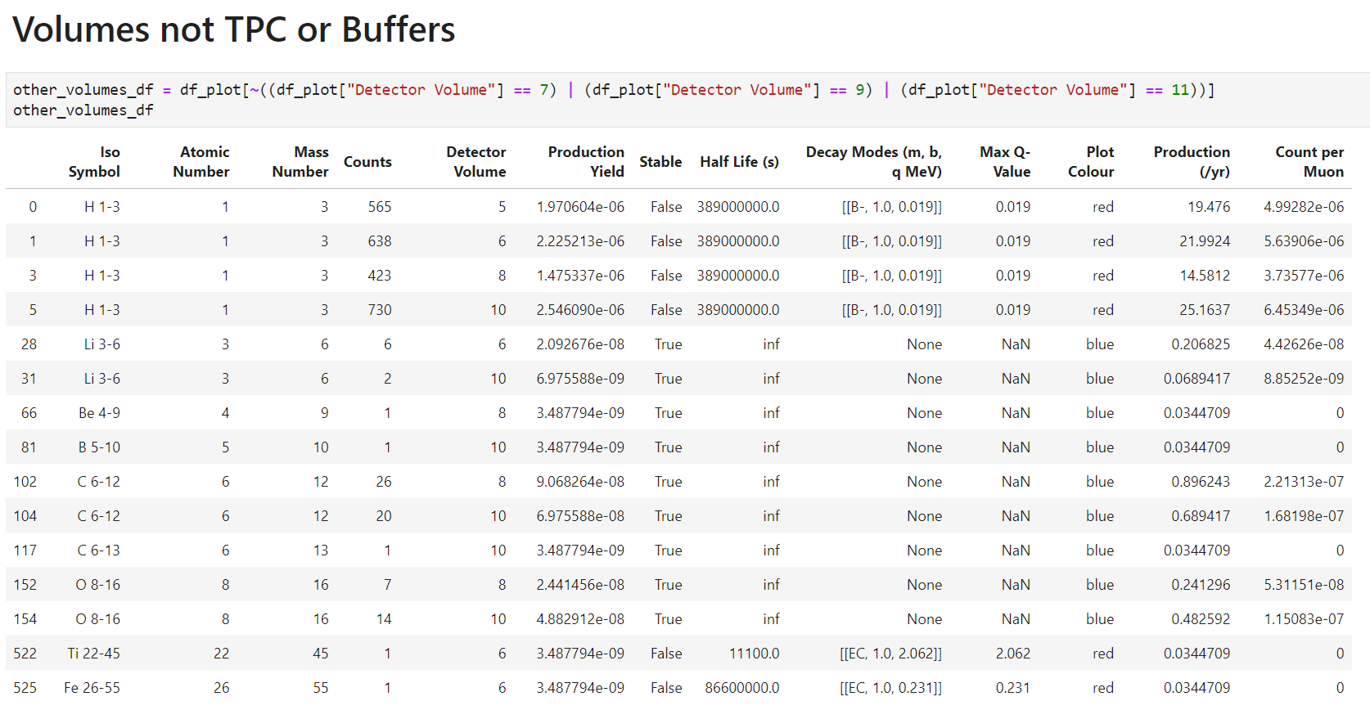

Simulation length (yr): 29.01073397156948 | Simulation length (yr): 29.01073397156948

TPC | TPC
Both distributed the same
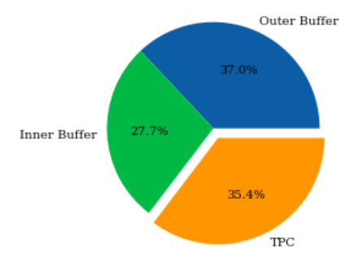

Prompt to delayed looks the same

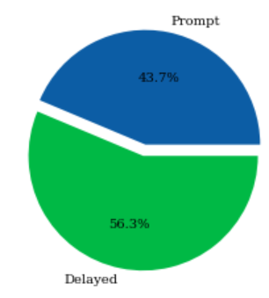

Yields + differences both the same
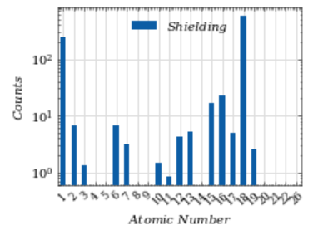
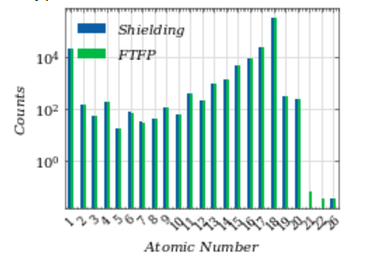

Prompt | Prompt
Beta decays 0-100keV: | Only gunna focus on shielding model as basically the same
H-3 100%

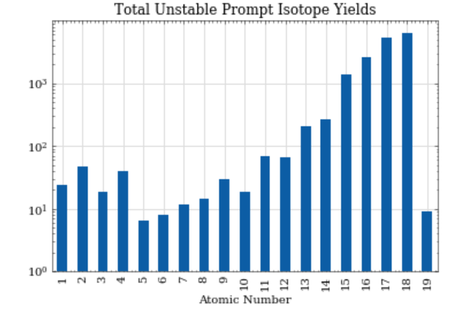

Delayed | Delayed
Beta decays 0-100keV:
S-35 100%
P-33 100%
Mg-28 65keV 4.9% 155keV 94%

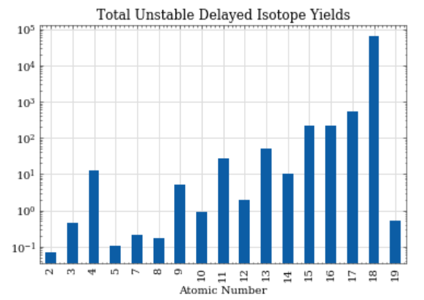

Buffers | Buffers
Unknown and need more simulations

